Instructions
INSTRUCTIONS

ARTICLE PROPERTIES
Title (max. 70 char) | Include 1-2 keywords in the title.
SEO Description (max. 155 char) | • Incorporate some text from the beginning of the page – if the description doesn't match any part of the page copy, Google may reject it and pick its own text. • Keywords included in the title help influence rankings but keywords in the description don't. • The description is about getting users to click through to the page.
SEO Keywords (max. 10 words) | See recommended keywords on Keywords tab
Author
Article Date
Read Time | Use a read time calculator (i.e., https://niram.org/read/)

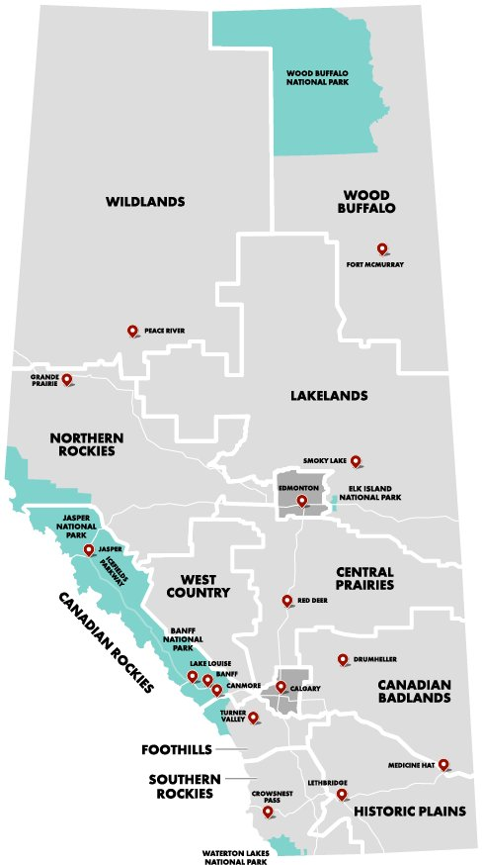
TAXONOMY
Article Categories | Story Press Release
Traveller Information (if applicable) | About Alberta Accessibility Adult Only Climate & Weather Heath & Safety Kid Friendly Maps & Transportation
Places to Go | Cities and Towns Banff - Lake Louise Calgary Canmore-Kananaskis Drumheller Edmonton Fort McMurray Grande Prairie Jasper Lethbridge Medicine Hat Red Deer Waterton-Castle | Regions Calgary & Area Canadian Badlands Canadian Rockies Central Prairies Edmonton & Area Foothills Historic Plains Lakelands Northern Rockies Southern Rockies West Country Wildlands Wood Buffalo
Seasons | Fall Spring Summer Winter
Things to Do | Agriculture Arts, Culture & Museums Concerts, Shows & Performances Festivals & Events Agriculture & Rodeo Cultural Events Fairs & Exhibitions Music Festivals Food & Drink Bars & Pubs Breweries & Distilleries Food Tours Restaurants Games & Entertainment Outdoor Activities Biking Camping Climbing Dog Sledding Fishing Golf Hiking Horseback Riding Ice Climbing | Snowshoeing Skiing & Snowboarding Snowmobiling Water Sports Whitewater Rafting Wildlife Viewing Shopping Sightseeing & Attractions Spa & Wellness
Featured? (y/n) | INTERNAL USE ONLY

SUMMARY PANEL
Summary Text (max. 30 words)
Summary Bullets (max. 70 char) | • Three summary/key highlights of the article. • Behaves like TL:DR

IMAGES
 | • Note the placement for each image within your article copy. • You can pull some information from the image's MML description for the alt text.
Banner Image | • Select an image that works well wide and short.
Alt Text | • Specific and succinct.
Captions (max. 150 char) | • Decide the purpose of the caption. • Should add new information. • Conversational language works best. • Present tense. • The tone of the caption should match the style of the image.

RELATED ARTICLES |  |  | Please see the articles tab. Available articles to choose from are listed in the Phase 1 Launch and Phase 2 sections.
 | Title
Article 1
Article 2
Article 3

